Module 16
Module 16 - Retained Earnings and Distributable Profits

RE is not the same as distributable profits
Dividends are paid by individual companies
consolidatd statements are not relevent when considering if a divi is legal or not

Dsitributable profits are those which a company could lawfully make a distribution

not all RE is available for distribution. Some may be non-distributable, permenent capital

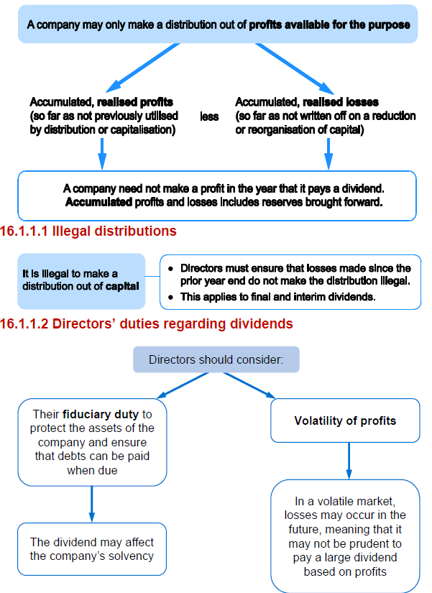

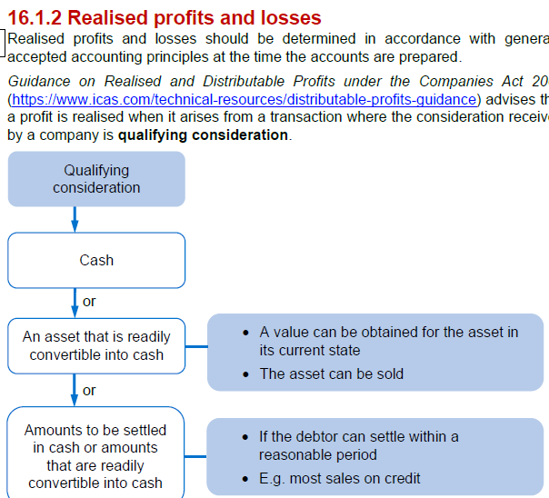

Activity 1
Distributable profits
SC | 5,000
SP | 4,000
RVS | 1,000
RE | 7,000
 | 17,000

Opening RE | 7,000
Profit in the year | 1200
divi's paid out | -280
1 for 1 bonus share | -5,000
reval on property | 0 | <<<unrealised profit
reval surpl release | 1,000
new business acq. | 0 | <<<unrealised gain on exchange
retained earnigns at YE | 3,920

distributable | 3,020
non distributable profits | 900
Retained earnings | 3,920

FV increase on investment profit | 300
unrealised gain on exchange | 600
 | 900

WSE16.3
Main
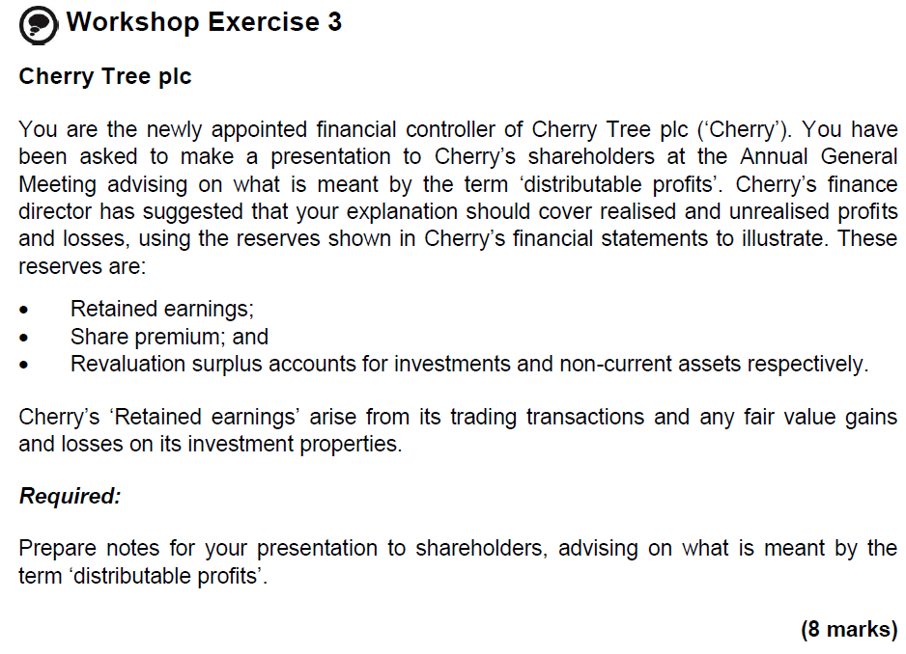

 | Cherry Tree plc
 | Guidance regarding ‘distributable profits’ is found in the Companies Act 2006 and is also issued periodically jointly by the Institute of Chartered Accountants of Scotland and the Institute of Chartered Accountants in England and Wales.
 | (½ mark)
 | Distributable profits are those profits out of which a company could lawfully make a distribution, being accumulated realised profits less accumulated realised losses.
 | (½ mark)
 | A distribution is the transfer of assets to its members, although it excludes certain transfers such as the issue of bonus shares; the most common form of distribution is the payment of a dividend.
 | (½ mark)
 | It is illegal to make a distribution out of permanent capital and so ‘Share premium’ such as Cherry’s are not distributable.
 | (1 mark)
 | Almost all losses are realised losses (although a revaluation decrease that cancels out a previous unrealised revaluation increase is not realised).
 | (½ mark)
 | Profits are realised when they arise from transactions where the consideration received is a qualifying consideration (cash, an asset readily convertible to cash or amounts to be settled in cash).
 | (½ mark)
 | In Cherry’s case, any ‘Retained earnings’ that relate to fair value gains on investment properties are treated as unrealised profits, as the properties are not readily convertible to cash, until such time as the property is sold when any gain remaining becomes realised.
 | (1 mark)
 | The remainder of ‘Retained earnings’ is likely to be fully distributable as it arises from trading transactions which have been or will be settled in cash.
 | (1 mark)
 | In respect to the Revaluation surplus accounts, surpluses that have arisen from ‘marking to market’ items that are readily convertible to cash are treated as realised profits; therefore, the revaluation surplus in relation to financial assets is distributable.
 | (1 mark)
 | Surpluses that arise on revaluing other non-current assets (usually buildings) are treated as unrealised profits; however, the excess of depreciation based on the revalued amount over depreciation based on historical cost is treated as a realised gain.
 | (1 mark)
 | This is the case even if it is not the company’s policy to make annual transfers.
 | (½ mark)
 | Once a revalued asset is sold, any previously unrealised gain remaining is treated as realised.
 | (½ mark)

